conversion factors

 |  |  | calculated from JEC_WTT_v5 |  |  |  | estimation based on tender 1 values |  |  | Background data RED (2009) |  |  | JEC_WTT_v5
Nr. | Value Chain | Fuel | product yield [t product / t feedstock] | toe/t | combined factor [toe product / t feedstock] | (product in Mtoe) = (feedstock in Mt) * (t product / t feedstock) * (toe/t) | effiency [MJ/MJ] | product yield [t/t] |  | Fuel | toe/t | LHV [MJ/kg] | IVC | Pathway | Yield | Unit
1 | Transesterification | FAME | 0.97 | 0.88 | 0.85 | LHV of feedstock and product quite similar | 1.00 | 1.00 |  | Ethanol | 0.6449 | 27 | 1 | WOFA | 0.97 | MJ product/MJ oil
2 | Hydrotreatment of Lipids | HVO | 0.52 | 1.05 | 0.55 | LHV of feedstock and product quite similar; 50% HVO, 50% HEFA | 1.00 | 1.00 |  | ETBE | 0.8598 | 36 | 2 | WOHY1e | 1.04 | MJ product/MJ oil
 |  | HEFA | 0.52 | 1.03 | 0.53 | 50% HVO, 50% HEFA |  |  |  | Methanol | 0.4777 | 20 | 4 | SBET | 0.08 | kg ethanol/kg sugar beet
3 | Lignin Boost of Fatty Acids and Co-processing in Refinery | Renewable diesel | 2.00 | 1.05 | 2.10 | 1 t fatty acid + 1 t lignin = 2 t product |  |  |  | MTBE | 0.8360 | 35 |  | SBET | 0.06 | kg pulp/kg sugar beet
4 | Sugar and Starch Fermentation to Ethanol | Ethanol | 0.18 | 0.64 | 0.12 | St1 Etanolix 5,500 t of bakery waste --> 1,000 t of ethanol |  |  |  | DME | 0.6688 | 28 |  | SBET | 1.34 | kg ethanol/kg pulp
 |  | ATJ-SPK | 0.11 | 0.64 | 0.07 |  |  |  |  | TAEE | 0.9076 | 38 | 5 | STET1 | 0.283 | MJ ethanol/MJ straw
5 | Fermentation of Lignocellulosic Materials to Ethanol | Advanced ethanol | 0.18 | 0.64 | 0.12 |  | 0.41 | 0.26 |  | Butanol | 0.7882 | 33 |  | STET1 | 0.18 | t ethanol/t straw
 |  | ATJ-SPK | 0.11 | 0.64 | 0.07 |  | 0.16 |  |  | Otto | 1.0270 | 43 | 7 | OWGC21 | 0.462 | MJ raw gas/MJ manure
6 | ATJ / MTJ | ATJ-SPK | 0.60 | 1.03 | 0.62 | several sources, see Doris notes | 0.40 | 0.25 |  | Biodiesel | 0.8837 | 37 |  | OWGC21 | 0.97 | MJ biomethane/MJ raw gas
7 | Biomethane from Anaerobic Digestion | Biomethane | 0.28 | 1.20 | 0.33 | using a combination of straw and manure as feedstock according to availability | 1.00 | 0.36 |  | FT-Diesel | 1.0509 | 44 |  | OWGC21 | 0.12 | t biomethane/t manure
 |  | Biomethane | 0.28 | 1.20 | 0.33 |  |  |  |  | HVO | 1.0509 | 44 | 7 | OWCG5 | 1.40 | MJ raw gas/MJ crop
8a | Gasification and Methanolysis | Methanol | 0.49 | 0.48 | 0.23 |  | 0.58 | 0.55 |  | PPO | 0.8837 | 37 |  | OWCG5 | 0.97 | MJ biomethane/MJ raw gas
8b | Methane reforming and Methanolysis | Methanol | 1.69 | 0.48 | 0.81 |  |  |  |  | Diesel | 1.0270 | 43 |  | OWCG5 | 0.53 | t biomethane/t crop
8c | Methanolysis from CO2 and H2 | e-Methanol | 0.67 | 0.48 | 0.32 |  |  |  |  | Biomethane | 1.1952 | 50 | 7 | combined | 0.28 | t biomethane/t combined feedstock
8d | Methanol from pulping | Methanol | 0.01 | 0.48 | 0.00 | 10 kg of methanol per 1 t of pulp |  |  |  | Natural Gas / CNG | 1.1952 | 50 | 8a | WMD | 0.51 | efficiency, assumed it is MJ methanol/MJ wood
9a | Gasification and Methanation | Methane | 0.27 | 1.20 | 0.33 |  | 0.71 | 0.27 |  | Natural Gas / LNG |  | 50 |  | WMD | 19.9 | LHV methanol MJ/kg
 |  | Methane | 0.27 | 1.20 | 0.33 |  |  |  |  | ATJ | 1.0270 | 43 |  | WMD | 19 | LHV wood MJ/kg
9b | Methanation from CO2 and H2 | e-Methane | 0.36 | 1.20 | 0.43 |  |  |  |  | FT-SPK |  | 43 |  | WMD | 0.49 | t methanol/t wood
 |  | e-Methane | 0.36 | 1.20 | 0.43 |  |  |  |  | HTL biocrude | 0.8360 | 35 | 8b | GRME | 0.683 | efficiency, assumed it is MJ methanol/MJ methane
10 | Gasification to Hydrogen | Hydrogen | 0.26 | 2.87 | 0.75 |  |  |  |  | pyrolysis oil | 0.4060 | 17 |  | GRME | 19.9 | LHV methanol MJ/kg
11a | Gasification and FT-Synthesis | FT-diesel | 0.19 | 1.05 | 0.20 |  | 0.40 | 0.17 |  |  |  |  |  | GRME | 49.2 | LHV methane MJ/kg
 |  | FT-SPK | 0.10 | 1.03 | 0.10 | 50% share of FT-diesel amount assumed |  |  |  | hydrogen | 2.8662 |  |  | GRME | 1.69 | t methanol/t methane
11b | FT-Synthesis from CO2 and H2 | e-FT-diesel | 0.18 | 1.05 | 0.19 | average of 3 different sources (0,32 / 0,15 / 0,07) |  |  |  |  |  |  | 8c | REME1 | 0.0745 | kg CO2/MJ methanol
 |  | e-FT-SPK | 0.09 | 1.03 | 0.09 | 50% share of FT-diesel amount assumed |  |  |  | Feedstock |  | LHV [MJ/kg] |  | REME1 | 0.67 | t methanol/t CO2
12 | Gas Fermentation to Ethanol | Ethanol | 0.47 | 0.64 | 0.30 | Lanzatech figures |  |  |  | Straw |  | 17.2 | 9a | WWCG2 | 0.664 | efficiency, assumed it is MJ methane/MJ wood
 |  | ATJ-SPK | 0.28 | 0.64 | 0.18 |  |  |  |  | Manure |  | 12 |  | WWCG2 | 46.1 | LHV methane MJ/kg
13a | Pyrolysis and Co-processing in Refinery | Gasoline+Diesel | 0.27 | 1.00 | 0.27 | the efficiency is already for diesel | 0.65 | 0.26 |  | Wood |  | 19 |  | WWCG2 | 19 | LHV wood MJ/kg
 |  | Bio-kerosene | 0.09 | 1.00 | 0.09 | 33% share of overall amount assumed |  |  |  | Crop (wheat, barley) |  | 18 |  | WWCG2 | 0.27 | t methane/t wood
13b | Pyrolysis (and Thermo-Catalytic Reforming) and Upgrading (HDO) | Gasoline+Diesel | 0.27 | 1.00 | 0.27 | the efficiency is already for diesel | 0.54 |  |  |  |  |  | 9b | RECG1 | 0.055 | kg CO2/MJ methane
 |  | Bio-heavy fuel oil | 0.09 | 1.00 | 0.09 | 33% share of overall amount assumed |  |  |  |  |  |  |  | RECG1 | 50 | LHV methane MJ/kg
14 | Hydrothermal Liquefaction and Upgrading in Refinery (FCC or HDO) | Diesel | 0.37 | 1.00 | 0.37 | the efficiency is already for diesel | 0.70 | 0.34 |  |  |  |  |  | RECG1 | 0.36 | t methane/t CO2
 |  | Bio-kerosene | 0.12 | 1.03 | 0.13 | 33% kerosene, 67% HFO |  |  |  | possible error in JEC_WTT_v5 |  |  | 11a | WSD1 | 0.451 | efficiency, assumed it is MJ diesel/MJ wood | based on König et al 2015: https://www.sciencedirect.com/science/article/abs/pii/S0360544215011767?via%3Dihub
 |  | Bio-heavy fuel oil | 0.25 | 1.00 | 0.25 | 33% kerosene, 67% HFO |  |  | 11b | RESD2 | 0.3408 | ass: kg CO2/MJ diesel |  | WSD1 | 44 | LHV diesel MJ/kg
 |  |  |  |  |  |  |  |  |  | RESD2 | 44 | LHV diesel MJ/kg |  | WSD1 | 19 | LHV wood MJ/kg
 |  |  |  |  |  |  |  |  |  | RESD2 |  |  |  | WSD1 | 0.19 | t diesel/t wood
 |  |  |  |  |  |  |  |  |  | RESD2 | 0.07 | t diesel/t CO2 | 11b | RESD2 | 0.3408 | MJ CO2/MJ diesel
 |  |  |  |  |  |  |  |  |  |  |  |  |  | RESD2 | 44 | LHV diesel MJ/kg
 |  |  |  |  |  |  |  |  |  |  |  |  |  | RESD2 |  | LHV CO2 MJ/kg
 |  |  |  |  |  |  |  |  |  |  |  |  |  | RESD2 | 0.00 | t diesel/t CO2
 |  |  |  |  |  |  |  |  |  |  |  |  | 13a | WxPx | 0.616 | efficiency, assumed it is MJ diesel/gasoline/MJ wood
 |  |  |  |  |  |  |  |  |  |  |  |  | 13b | WxPx | 43.15 | LHV diesel/gasoline MJ/kg
 |  |  |  |  |  |  |  |  |  |  |  |  |  | WxPx | 19 | LHV wood MJ/kg
 |  |  |  |  |  |  |  |  |  |  |  |  |  | WxPx | 0.27 | t diesel/gasoline/t wood
 |  |  |  |  |  |  |  |  |  |  |  |  | 14 | WxSD2 | 0.839 | efficiency, assumed it is MJ diesel/MJ wood
 |  |  |  |  |  |  |  |  |  |  |  |  |  | WxSD2 | 43.1 | LHV diesel MJ/kg
 |  |  |  |  |  |  |  |  |  |  |  |  |  | WxSD2 | 19 | LHV wood MJ/kg
 |  |  |  |  |  |  |  |  |  |  |  |  |  | WxSD2 | 0.37 | t diesel/t wood
 |  |  |  |  |  |  |  |  |  |  |  |  | 10 | WWLH1 | 1.6553 | MJ wood chips/MJ H2
 |  |  |  |  |  |  |  |  |  |  |  |  |  | WWLH1 | 119.96 | LHV hydrogen MJ/kg
 |  |  |  |  |  |  |  |  |  |  |  |  |  | WWLH1 | 0.26 | t hydrogen/t wood

TRL
 |  |  |  |  |  |  |  | bio-e-fuel technology | based on intermediat bioenergy carrier
 |  |  |  |  |  |  |  | not based on Annex IX feedstock | still needs to be assessed
 |  | JEC report comparison (2020) |  | for comparison: JRC report 2024
Nr. | Value Chain | TRL (JEC) | CRL (JEC) | TRL (JRC Advanced Biofuels report 2024) | Reference (JRC report 2024) | TRL (demoplants database) | CRL (demoplants database) | Largest Reference | 2nd-Largest Reference | Largest European Reference | Other References
1 | Transesterification | 9 | 6 | 9 |  | 9 | 6 | Hundreds of operational facilities |  | Hundreds of operational facilities
2 | Hydrotreatment of Lipids | 9 | 6 | 9 | La Mede (Total) | 9 | 5 | Martinez Renewable Fuels Facility | Owner: Marathon Petroleum and Neste (Joint venture), USA, California, 2 100 000 t/y, renewable diesel (HVO), TRL 9 | Singapore expansion | Owner: Neste, Singapour, 1 300 000 t/y, HVO/HEFA, TRL 9 | Rotterdam | Owner: Neste, Netherlands, Rotterdam, 800 000 t/y, HVO/HEFA, TRL 8
3 | Lignin Boost of Fatty Acids and Co-processing in Refinery |  |  |  |  | 6-7 | 1 | RenFuel Backhammer | Owner: RenFuel, Sweden, Backhammar, 0,1 t/y, bio-oil, TRL 6-7 |  | RenFuel Backhammer | Owner: RenFuel, Sweden, Backhammar, 0,1 t/y, bio-oil, TRL 6-7
4 | Sugar and Starch Fermentation to Ethanol | 9 | 6 |  |  | 9 | 6 | Hundreds of operational facilities |  | Hundreds of operational facilities
5 | Fermentation of Lignocellulosic Materials to Ethanol | 8 | 2 | 7-8 | Clariant Podari, Romania, Versalis Crescentino | 9 | 3 | Bonfim | Owner: Raizen Energia, Brazil, Guariba, 62 000 t/y ethanol, TRL 9 | 2G ethanol Commercial plant / India Oil Corporation, India, Panipat, 27 000 t/y, ethanol, TRL 9 | Meliora Bio | Owner: Meliora Bio AsP (former facility of Dong Energy/Inbicon), Denmark, Kalundborg, 5 000 t/y ethanol, TRL 9
6 | ATJ / MTJ |  |  |  |  | 8 | 2 | Freedom Pines | Owner: LanzaJet, USA, Georgia, 27 000 t/y, SAF, TRL 8 | Silsbee | Owner: Gevo, USA, Texas, 200 t/y, SAF, TRL 6-7 (likely based on feedstock not eligible in EU) | no facility in Europe
7 | Biomethane from Anaerobic Digestion | 9 | 6 | 9 |  | 9 | 4 | Verbiogas Pinnow | Owner: Verbio, Germany, 10 MW, biomethane, TRL 9 | Holsted Biogas | Owner: NGF Nature Energy, Denmark, 1 800m³/h, biomethane, TRL 9 | Verbiogas Pinnow | Owner: Verbio, Germany, 10 MW, biomethane, TRL 9
8a | Gasification and Methanolysis | 8 | 2 | 8 | Enerkem Edmonton, Canada, BioMCM Netherlands, Tarragona, Spain (planned), Sodra biomethanol | 6-7 | 2 | Westbury commercial demonstration facility | Owner: Enerkem, Canada, Quebec, 4 000 t/y ethanol, 1 000 t/y methanol, SNG, TRL 6-7 | bioliq | Owner: Karlsruhe Institute of Technology (KIT), Germany, Eggenstein-Leopoldshafen, 670 t/y, DME, TRL 6-7 (now closed) | bioliq | Owner: Karlsruhe Institute of Technology (KIT), Germany, Eggenstein-Leopoldshafen, 670 t/y, DME, TRL 6-7 (now closed)
8b | Methane reforming and Methanolysis |  |  |  |  | 8 | 2 | BioMCN | Owner: BioMCN (OCI NV), Netherlands, Groningen, 65 000 t/y, methanol through biomethane reformation, TRL 8 |  | BioMCN | Owner: BioMCN (OCI NV), Netherlands, Groningen, 65 000 t/y, methanol through biomethane reformation, TRL 8
8c | Methanolysis from CO2 and H2 | 9 | 3 | 6 | FReSMe project, Sweden | 8 | 2 | George Olah Renewable Methanol plant / CRI, Iceland, 1 900 toe/y of e-methanol according to CETO RFNBO report | Shunli / CRI, China, Anyang, 110 000 t/y e-methanol, TRL 9; biomass-based facility under construction in China with Tianying Group with 170 000 t/y capacity | George Olah Renewable Methanol plant / CRI, Iceland, 1 900 toe/y of e-methanol according to CETO RFNBO report
8d | Methanol from pulping |  |  |  |  | 9 | 3 | Sodra biomethanol | Owner: Sodra, Sweden, Monsteras, 5 250 t/y methanol from paper industry, TRL 9 |  | Sodra biomethanol | Owner: Sodra, Sweden, Monsteras, 5 250 t/y methanol from paper industry, TRL 9
9a | Gasification and Methanation | 8 | 2 | 7-8 | GoBiGas plant | 8 | 2 | Swindon Advanced Biofuels Plant | Owner: Advanced Biofuels Solutions Ltd, UK, Swindon, 1 500 t/y SNG, 500 t/y H2, TRL 8 | Surrey Biofuel facility | Owner: Surrey Municipality, Canada, British Columbia, 240 t/y, SNG, TRL 8 | Swindon Advanced Biofuels Plant | Owner: Advanced Biofuels Solutions Ltd, UK, Swindon, 1 500 t/y SNG, 500 t/y H2, TRL 8
9b | Methanation from CO2 and H2 | 9 | 3 | 4-5 | Exytron Demonstrationsanlage | 9 | 3 | Hybridkraftwerk Limec, Schweiz, Dietikon, 3 100 t/y of e-methane produced from CO2 from biogas (AD) through ex-situ biological methanation, TRL 9 | Audi e-gas ATLANTIS, Germany, Werlte, 2 800 t/y of e-methane from CO2 from biogas (AD) through ex-situ catalytic methanation, tRL 9 | Hybridkraftwerk Limec, Schweiz, Dietikon, 3 100 t/y of e-methane produced from CO2 from biogas (AD) through ex-situ biological methanation, TRL 9 | 33 operational, fully renewable e-methane production facilities in Europe according to EBA report; TRL is 6-8 for in-situ biological methanation, 6-9 for ex-situ biological methanation, 7-9 for catalytic methanation, and 6-7 for bio-electrochemical assisted AD.
10 | Gasification to Hydrogen | 8 | 2 | gasification: 7-8 |  | 8 | 2 | Swindon Advanced Biofuels Plant | Owner: Advanced Biofuels Solutions Ltd, UK, Swindon, 1 500 t/y SNG, 500 t/y H2, TRL 8 |  | Swindon Advanced Biofuels Plant | Owner: Advanced Biofuels Solutions Ltd, UK, Swindon, 1 500 t/y SNG, 500 t/y H2, TRL 8
11a | Gasification and FT-Synthesis | 8 | 2 | 6-7 | BioTfueL TOTAL | 6-7 | 1 | TRIJEN (Liquid Fuel Production From Biomass and Coal Blends) | Owner: TUBITAK, Turkey, Kocaeli, 250 t/y, FT-fuel, TRL 4-5 | Waste2Value | Owner: BEST - Bioenergy and Sustainable Technologies GmbH, Austria, Vienna, 44 t/y FT-fuels, TRL 6-7 | TRIJEN (Liquid Fuel Production From Biomass and Coal Blends) | Owner: TUBITAK, Turkey, Kocaeli, 250 t/y, FT-fuel, TRL 4-5 | BioTfueL pilot | Owner: BioTfueL-consortium, France, Dunkirk, 60 t/y, FT-liquids, TRL 6-7
11b | FT-Synthesis from CO2 and H2 | 6 | 1 | 6-7 |  | 4-5 | 1 | MOE Carbon-Recycling Society Project / Toshiba and partners, Japan, Kawasaki-shi, SAF, TRL 4-5 |  | no facility in Europe
12 | Gas Fermentation to Ethanol |  |  | 8-9 | Indian Oil Corporation 3G ethanol Commercial plant (LanzaTech) | 9 | 3 | 3G ethanol Commercial plant / Indian Oil Corporation, India, Panipat, 31 000 t/y ethanol from refinery off-gas, TRL 9 | Ghent Steelanol | Owner: ArcelorMittal, Belgium, Ghent, 64 000 t/y ethanol from steel production flue gas, TRL8 | Ghent Steelanol | Owner: ArcelorMittal, Belgium, Ghent, 64 000 t/y ethanol from steel production flue gas, TRL8
13a | Pyrolysis and Co-processing in Refinery |  |  | 8 | BTG, Netherlands, Pyrocel Gavle, GFN Lieksa, Ensyn plants in North America | 9 | 3 | BioEnergy AE | Owner: Ensyn, Arbec Forest Products and Rémabec, Canada, Quebec, 36,000 t/y, gasoline-type fuels, TRL 8 | Pyrolysis oil upgrading | Owner: Pyrocell (JV of Setra and Preem), Sweden, Gavle, 24 000 t/y, pyrolysis oil, TRL 9; upgrading to transport fuel done at Preem refinery in Lysekil, TRL 9 | Pyrolysis oil upgrading | Owner: Pyrocell (JV of Setra and Preem), Sweden, Gavle, 24 000 t/y, pyrolysis oil, TRL 9; upgrading to transport fuel done at Preem refinery in Lysekil, TRL 9
13b | Pyrolysis (and Thermo-Catalytic Reforming) and Upgrading (HDO) | 6 | 1 | 6-7 | To-Syn-Fuel Hohenburg, Germany | 6-7 | 1 | To-Syn-Fuel / Owner: Fraunhofer Umsicht, Germany, Hohenburg, 450 t/y, pyrolysis oil, TRL 6-7 |  | To-Syn-Fuel / Owner: Fraunhofer Umsicht, Germany, Hohenburg, 450 t/y, pyrolysis oil, TRL 6-7
14 | Hydrothermal Liquefaction and Upgrading in Refinery (FCC or HDO) | 4 | 1 | 5-6 |  | 6-7 | 1 | CS-1 Facility | Owner: Arbios Biotech (Joint Venture of Licella and Canfor), Australia, Somersby, 1 800 t/y, bio-oil, TRL 6-7 | industrial scale demo | Owner: Silva Green Fuel, Norway, Tofte, 1 400 t/y bio-oil, TRL 6-7 | industrial scale demo | Owner: Silva Green Fuel, Norway, Tofte, 1 400 t/y bio-oil, TRL 6-7
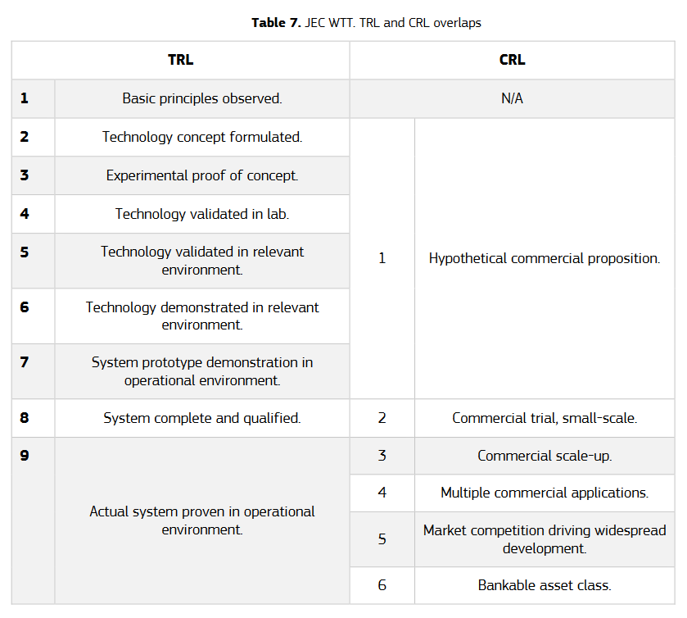
 | Lower TRLs
 | biofuels from aquatic biomass |  |  | 3-4
 | fermentation to hydrogen |  |  | 4-5
 | biological fermentation of syngas |  |  | 4-6
 | aequeous phase reforming |  |  | 5
 | READi Reactive Destillation Technology |  |  |  |  | 4-5 | 1 | Nexxoil, Germany, Hamburg
 | further SAF processes under ASTM evaluation (excluding those based on fossil feedstocks)
 | synthesized aromatic kerosene (SAK) |  |  |  |  |  |  | Virent
 | integrated hydropyrolysis and hydroconversion (IH2) |  |  |  |  |  |  | Shell
 | Single reactor HEFA (DILSAAF) |  |  |  |  |  |  | Indian CSIR-IIP
 | methanol to jet (MTJ) |  |  |  |  |  |  | ExxonMobil
 | increase in fatty acid/ester co-processing from 5% to 30%
 | HEFA with higher cycloparaffins |  |  |  |  |  |  | Revo
 | Biomass pyrolysis |  |  |  |  |  |  | Alder
 | Biomass/waste pyrolysis |  |  |  |  |  |  | Green Lizard
 | Cycloalkanes from ethanol |  |  |  |  |  |  | Vertimass

 | TRL and CRL are based on the current status of technology deployment as displayed in the IEA Bioenergy Task 39 and ETIP Bioenergy demoplants databases.
 | The maturity of a value chain is defined by the one facility that is most advanced.
 | Within a value chain the sub-processes can have different TRLs and the lowest defines the overall TRL.
 | For TRL9/CRL3 all subprocesses of the value chain must be at TRL 9, as well as the feedstock supply.

 | we will add IVCs to the sheets for 2030/2040/2050 according to these criteria
 | IVCs at TRL 9 and CRL 3 as of today will be considered essential for contributing to the 2025-2030 time period and the 2030 targets.
 | IVCs at TRL 6, 7 or 8 (and CRL 1 or 2) as of today will be considered essential for contributing to the 2030-2040 time period and the 2040 targets (assumed at 90% GHG reduction).
 | IVCs at TRL 5 or lower (and CRL 1) as of today could become essential for contributing to the 2040-2050 time period and the 2050 targets .

3
https://renfuel.se/biofuels/technology/

A tonne of solid lignin is mixed one-to-one with a tonne of waste fatty acid. Within a couple of hours the process then gives two tonnes of lignin bio-crude oil.
The result is a liquid biocrude-oil called Lignol®, which is then refined into bio-gasoline, bio-diesel or Sustainable Aviation Fuel (to be certified), in the same way as HVO – Hydro Treated Vegetable Oil. The resulting fuels can be made to perform like the common fossil fuels. Lignol fuels can be blended in to meet all mandates for advanced biofuels.

 | 1 | t Lignin
 | 1 | t waste fatty acids
 | 2 | t bio-crude ol

nicht relevant: | 0.5 | conversion from fatty acids to biocrude
 | 0.38 | bio-crude to fuel in refinery
 | 0.19 | conversion feedstock to fuel
https://doi.org/10.1016/j.cej.2024.155114
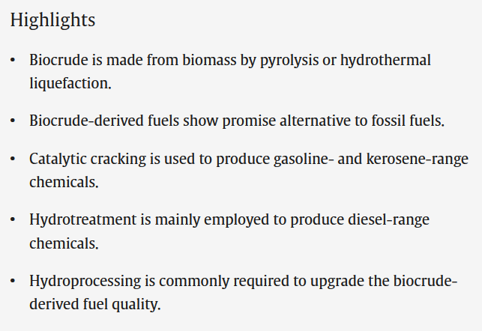
 |  |  | Diesel
 |  |  | Hydrotreatment

 |  |  | Table 3 - Hydrotreatment (not co-prrocessing)?

 |  |  | 50
 |  |  | 54
 |  |  | 24.4
 |  |  | 22
 |  |  | 21.5
 |  |  | 21.2
 |  |  | 54.4 | CEPI: | 24.7 | Mt/y | Kraft pulp/sulphate pulp
 |  |  | 56.5 | VTT paper: | 0.425 | t/t | Lignin per Kraft pulp
 |  |  | 62.3 | https://www.sciencedirect.com/science/article/pii/S0961953421000738?via%3Dihub | 10.50 | Mt/y | Lignin per year
 |  |  | 41.7
 |  |  | 13
 |  |  | 27.6
 |  |  | 38.8
 |  |  | 31.9
 |  |  | 50.9
 |  |  | 38.013333333

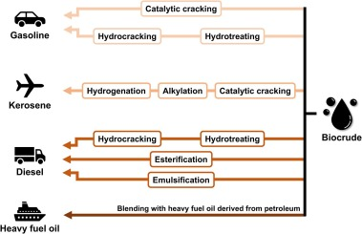

https://www.nrel.gov/docs/fy20osti/76131.pdf

8b
https://www.methanol.org/wp-content/uploads/2019/01/MethanolReport.pdf
BioMCN has chosen to produce renewable methanol by replacing conventional natural gas with biogas as a feedstock in its production process.
BioMCN will combine hydrogen from the intended facility with CO2 from other processes to produce renewable methanol, a raw material for bio-fuels and a variety of chemical feedstocks. Compared to fossil-based methanol this will reduce emissions by up to 27,000 tons of CO2 per year.

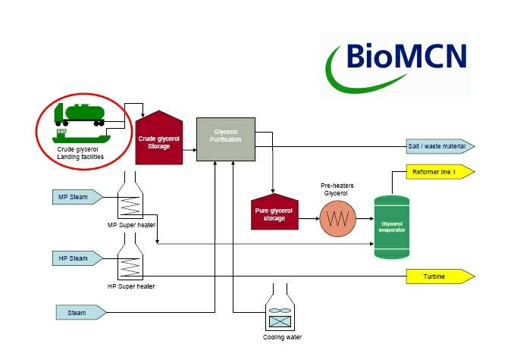
 | Biomethane | -103.7 | gCO2/MJ biomethane | Biogas | 19,80-27 | MJ/kg
 | Methanolysis | 11.7 | gCO2/MJ biomethanol | Methanol | 22.7 | MJ/kg

 |  | -92 | gCO2/MJ biomethanol

 | JEC synfuels_GPME1b
 | 11.7 | gCO2/MJ biomethanol

8d
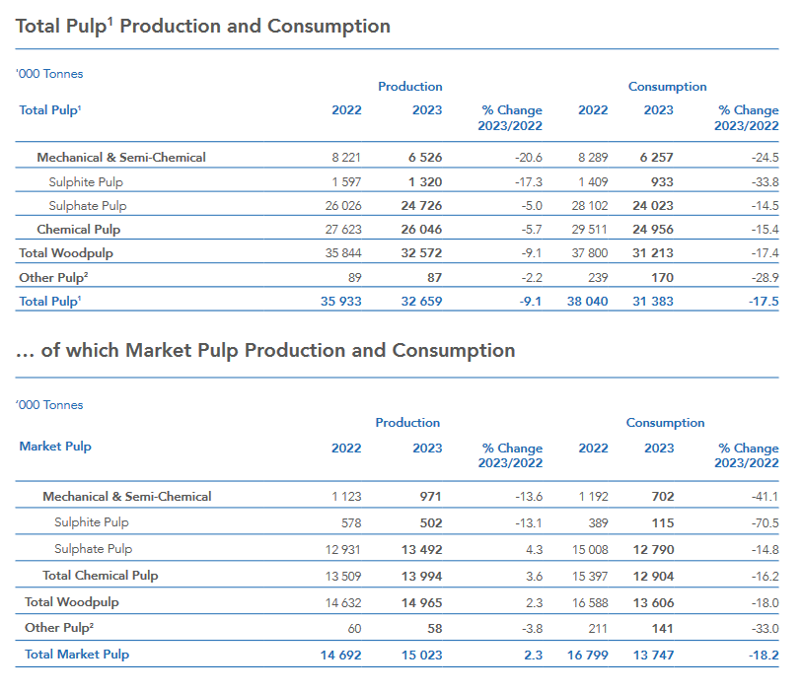
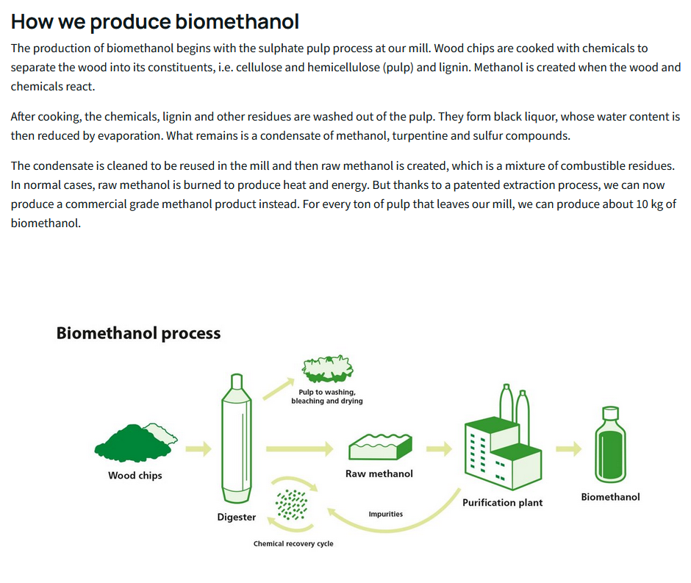
https://www.sodra.com/en/global/Bioproducts/biomethanol/
 | 10 | kg Biomethanol
 | 1000 | kg Pulp

 | https://www.cepi.org/wp-content/uploads/2024/09/Key-Statistics-2023-FINAL-2.pdf
 | Production 2023 - total pulp
 | Sulphate pulp | 24,726,000 | t
 | Sulphate pulp | 24,726,000,000 | kg
 | Sulphate pulp | 25 | Mt

 | Conversion factor | 1.00%
 | GHG reduction | 99% | up to
 | methanol potential | 0.25 | Mt

12
https://lanzatech.com/wp-content/uploads/2023/11/LCA-Ethanol-from-BOF-Gas-NXBZ-v1.3.pdf

1.33 | kgCO2/kg ethanol |  | 1.33 | kgCO2/kg ethanol
7.5 | kWh/kg |  | 29.7 | MJ/kg

0.18 | kgCO2/kWh |  | 0.04 | kgCO2/MJ
0.05 | kgCO2/MJ

49.26 | gCO2/MJ |  | 44.78 | gCO2/MJ

https://d1wqtxts1xzle7.cloudfront.net/112382270/acs.iecr.5b0321520240313-1-3unrht-libre.pdf?1710338708=&response-content-disposition=inline%3B+filename%3DLife_Cycle_Assessments_of_Ethanol_Produc.pdf&Expires=1734371423&Signature=I4Skb15qXpBDLpT0Zs4GFYkJhNF7XOuXsfTgbUg2NXaPcrayKc1nau72NEp74w2~~T4TOLJ6cG-OBbmvgm9vpLQr8OMAhGL3u2J-AYZxzVovOYZeAQPe6wE8H9ycvc0QcFXHciJq5ZZk~1BdGmVoSJJ85mpe97D1Sd9ypiAOkOsvs8cM0lLtcTtELczDI5-EGOg67KyL1INRaRp7PtxIFVJRcnMClo4RWC5Bzw9ixnDpnlJnwek2MDG8dgxVkSi9YTQ~UYqwl5WZtP5etDn6cxyo3VRsEl986K8xRaOP4ll~5TZB380eTkQWg34DcE~tJNRvNu6m0GhWTTBEzqEcJQ__&Key-Pair-Id=APKAJLOHF5GGSLRBV4ZA
DOI: 10.1021/acs.iecr.5b03215

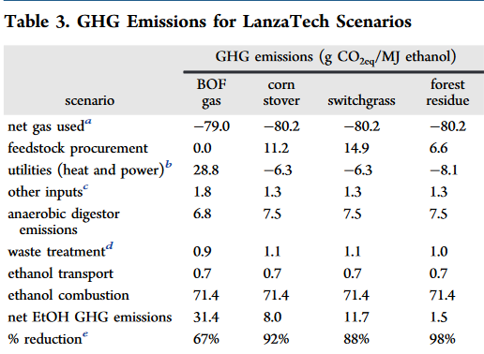
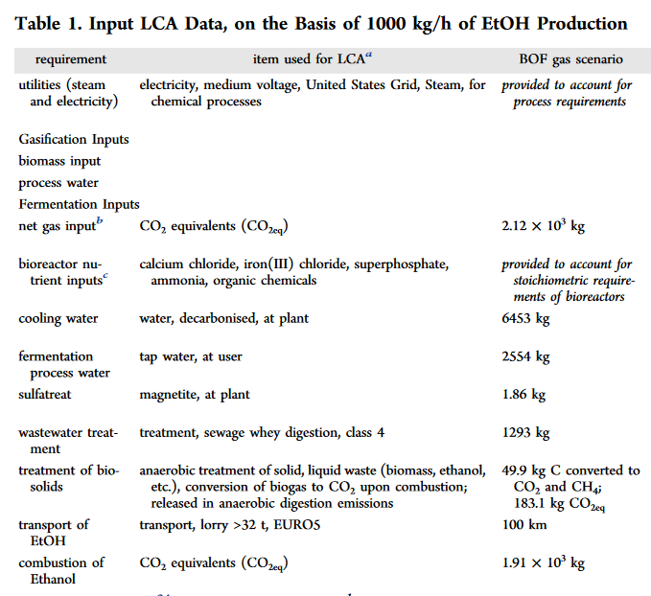

 | 60% if comapred with our gasoline comparator

 | GHG reduction | 60% |  | 2.12 | kg CO2/kg ethanol
 | CO2 input | 2120 | kg | 0.071 | kg CO2/MJ ethanol
 | Ethanol | 1000 | kg | 14.01 | MJ ethanol/kg CO2
 |  | 29.7 | MJ/kg
 | Ethanol | 29700 | MJ

